Sheet1
DATE | INV NO. | DESCRIPTIONS | QTY | BILLS | PRICE | TOTAL | STATUS
2025-09-30 | 2509/FK-3643 | Striploin Ichi Brown | 11.77 | 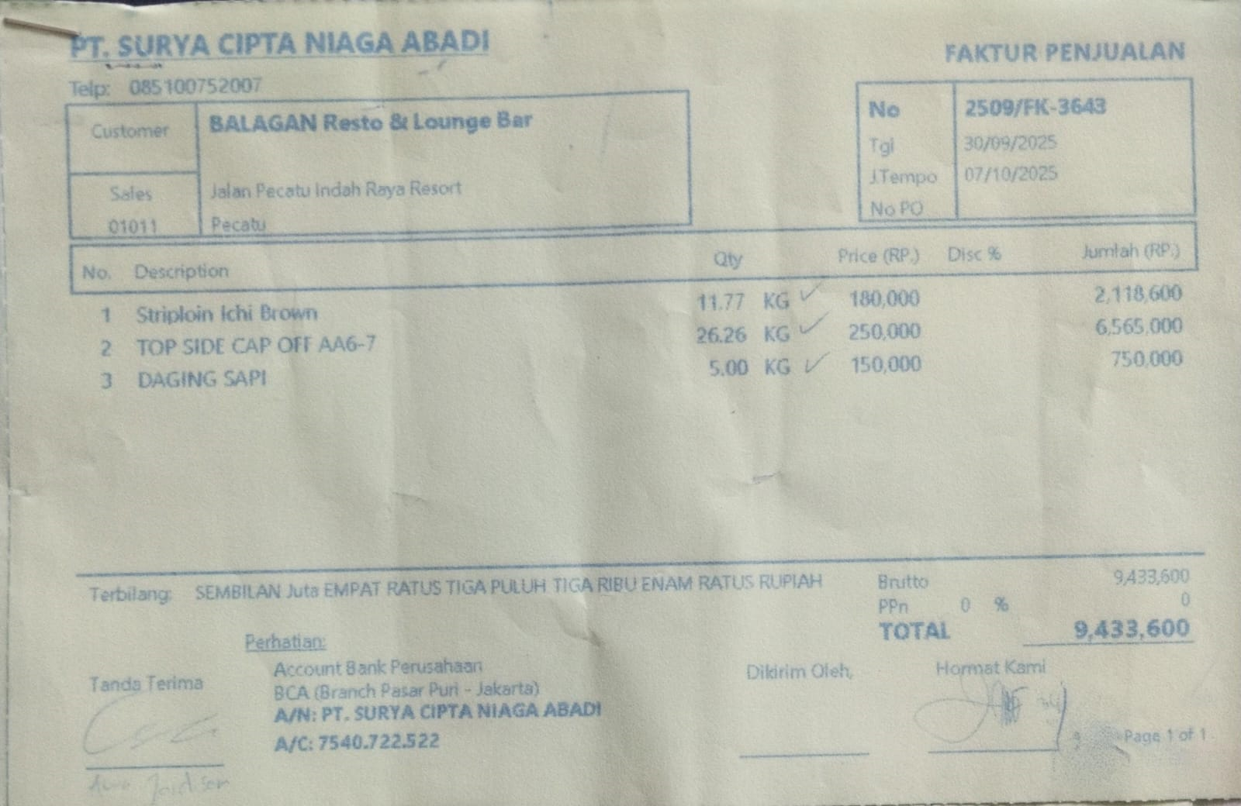 | Rp180,000 | Rp9,433,600
 |  | Top Side Cap Off AA6-7 | 26.26 |  | Rp250,000
 |  | Meat Beef | 5 |  | Rp150,000
TOTAL |  |  |  | Rp9,433,600

